workstation
look up for category ppm - workstation
- server
- network

look up for activity workstation

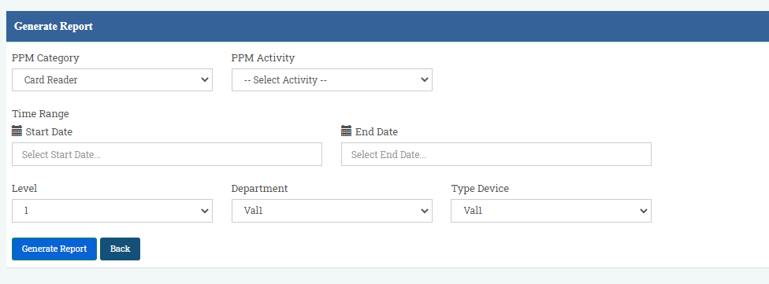

filter for date start and date end.
ppm form will generate base on date setting *compulsory

look up for level
look up for department
look up for device in workstation
- Desktop
- Notebook
- Printer
- Scanner
- card reader

*when user select workstation, UI like field level, department and type device

